Bug Report
Defect Report |  | Defect Report |  | Defect Report |  | Defect Report

Bug ID | BUG_001 | Bug ID | BUG_002 | Bug ID | BUG_003 | Bug ID | BUG_004
Title | The API add a user with a missing required field | Title | The API add a user with an invalid email format | Title | The API add a user with missing required fields | Title | The API add a user with a duplicate username
Steps to Reproduce | 1- Send POST request to /users/add 2- Enter a request body but without FirstName | Steps to Reproduce | 1- Send POST request to /users/add 2- Enter a request body with an invalid email format | Steps to Reproduce | 1- Send POST request to /users/add 2- Enter an empty request body | Steps to Reproduce | 1- Send POST request to /users/add 2- Enter an existing username
Expected Result | 400 for missing required field | Expected Result | 400 for invalid data | Expected Result | 400 for empty body | Expected Result | 400 for duplicate username
Actual Result | 201 Created returned, The API aaccepted the request with a missing required field | Actual Result | 201 Created returned, The API aaccepted the request with an invalid email format | Actual Result | 202 Created returned, The API aaccepted the request with an empty body | Actual Result | 201 Created returned, The API accepted the request with a duplicate username
Environment | Public API, browser/Postman | Environment | Public API, browser/Postman | Environment | Public API, browser/Postman | Environment | Public API, browser/Postman
Screenshot | 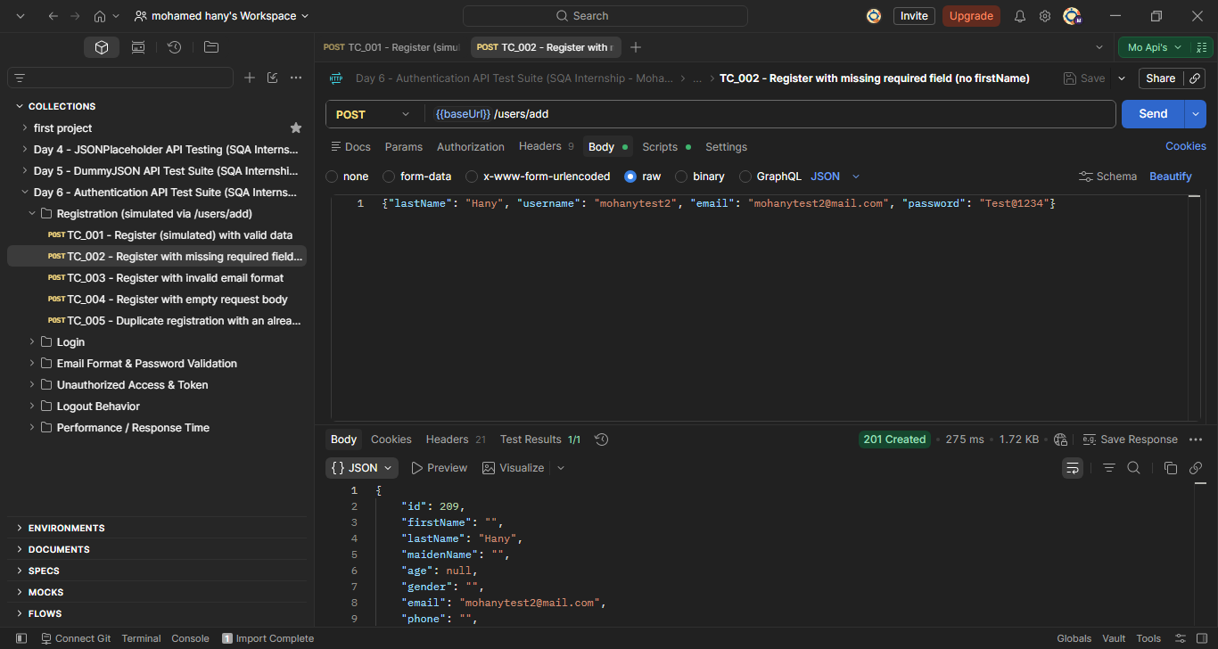 | Screenshot | 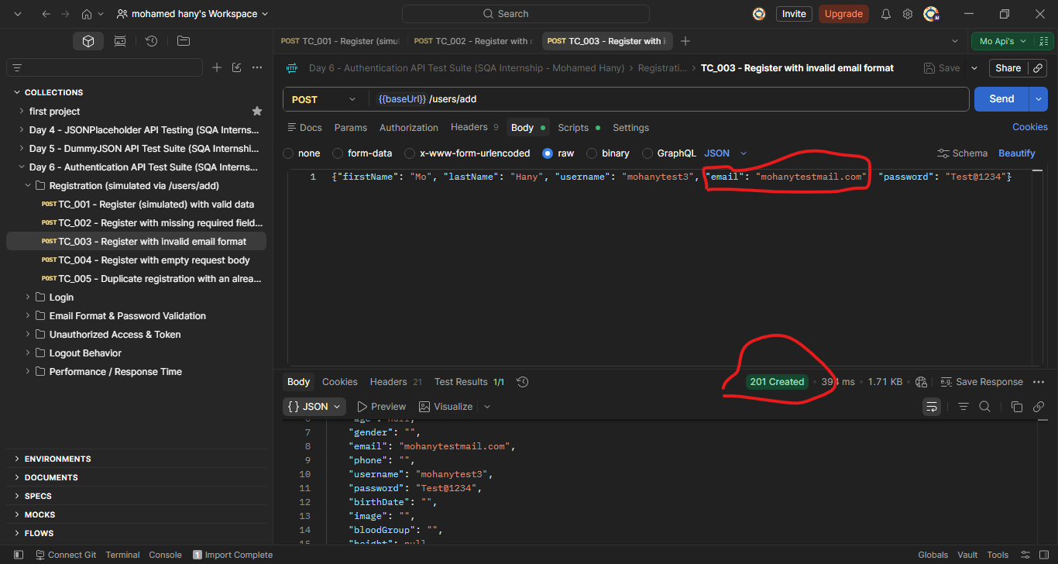 | Evidence / Source | 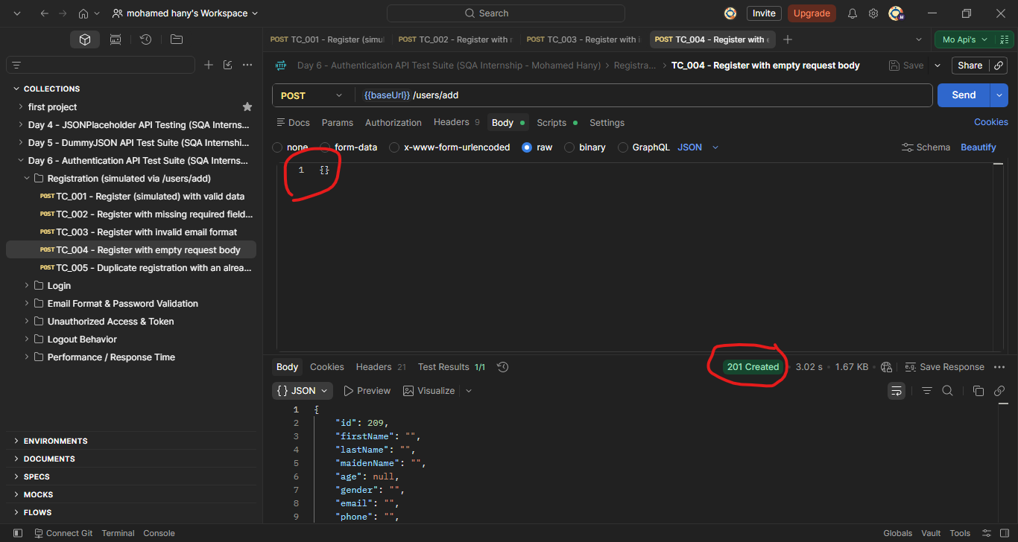 | Evidence / Source | 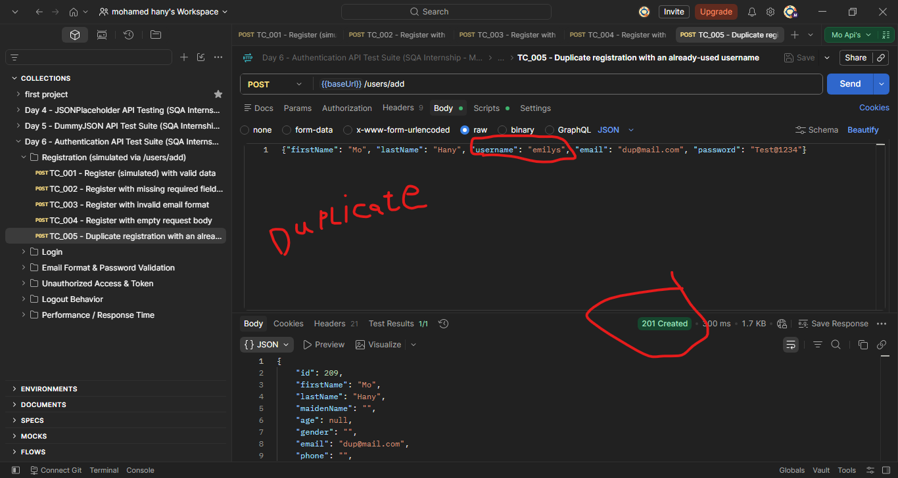
Severity | High | Severity | High | Severity | High | Severity | High
Priority | High | Priority | High | Priority | High | Priority | High
Status | Open | Status | Open | Status | Open | Status | Open

